Sheet1
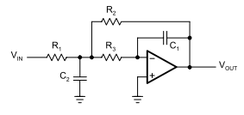
2nd order MFB LPF

Choose following values
C1: | 2.20E-09
C2: | 1.64E-08 | in diff mode C2 is half of this
A0 | -0.65
fc | 8.61E+04
a | 1
b | 1
fci | 1

Following must be true

1.64E-08 | >= | 1.45E-08

Following will be computed:
R1 | 427.38
R2 | 277.80
R3 | 340.73

